Supermarket dashboard.
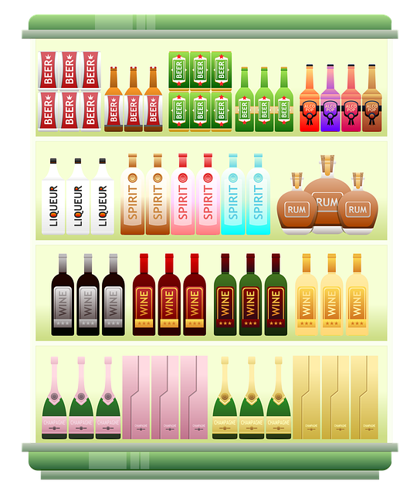
SUPERMARKET DASHBOARD.

TOTAL REVENUE
307587.38

MAXIMUN REVENUE VIA PRODUCT LINE
 | Total
Electronic accessories | 51750.03
Fashion accessories | 51719.9
Food and beverages | 53471.28
Health and beauty | 46851.18
Home and lifestyle | 51297.06
Sports and travel | 52497.93
Maximum revenue by product line.
TOTAL REVENUE PER BRANCH
 | Total
A | 51083.31
B | 51147.32
C | 54172.65

51750.0
r

51719.9

53471.28

GENDER VS BUYING CAPACITY
 | Total
Female | 159888.5
Male | 147698.88
46851.18

51297.06

52497.93

